Interest Rates
Instructions: Inputs are indicated by light yellow highlighted cells with blue bold font
Review FERC rates and notify MISO if any rate appears incorrect
Purpose: To calculate the 2016 average interest rates to be applied to the true-up calculations

Per Section VII.2 of the Annual True-up, Information Exchange and Challenge Procedures
- Interest on over recovery will be based on FERC's regulation 18 C.F.R 35.19a
- Interest on under recover will be based on the annual average of the one-month
LIBOR rate capped at the FERC refund interest rate
CMMPA to enter monthly LIBOR amounts and provide a cite to source of LIBOR rate
using the average rate for the nineteen (19) months preceding August of the current year
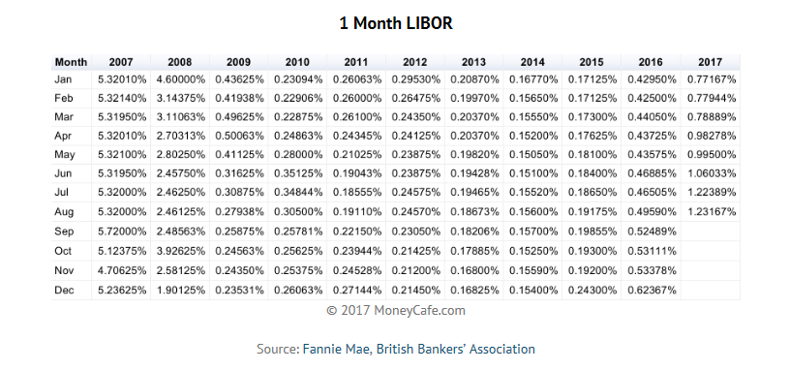
CMMPA
 |  |  | Annualized |  | Annualized
 |  | LIBOR Rate 1 | LIBOR Rate | FERC Rate | FERC Rate
1 | Jan-17 | 0.77% |  | 0.29%
2 | Feb-17 | 0.78% |  | 0.29%
3 | Mar-17 | 0.79% |  | 0.29%
4 | Apr-17 | 0.98% |  | 0.31%
5 | May-17 | 1.00% |  | 0.31%
6 | Jun-17 | 1.06% |  | 0.31%
7 | Jul-17 | 1.22% |  | 0.33%
8 | Aug-17 | 1.23% |  | 0.33%
9 | Sep-17 | 1.23% |  | 0.33%
10 | Oct-17 | 1.23% |  | 0.35%
11 | Nov-17 | 1.24% |  | 0.35%
12 | Dec-17 | 1.37% |  | 0.35%
13 | Jan-18 | 1.56% |  | 0.35%
14 | Feb-18 | 1.58% |  | 0.35%
15 | Mar-18 | 1.67% |  | 0.35%
16 | Apr-18 | 1.88% |  | 0.37%
17 | May-18 | 1.91% |  | 0.37%
18 | Jun-18 | 1.91% |  | 0.37%
19 | Jul-18 | 1.91% |  | 0.37%

 |  | 1.3336% | 4.0232% | 0.3353% | 4.0232%

 | 1 LIBOR rate is capped at the applicble FERC refund interest rate

https://www.ferc.gov/enforcement/acct-matts/interest-rates.asp

