Interest Rates
 | TU Adjustment | Interest
 | Under/(Over) | Rate | Interest | Total TU
 | $1,326,398 | 0.3353% | $106,726 | $1,433,124

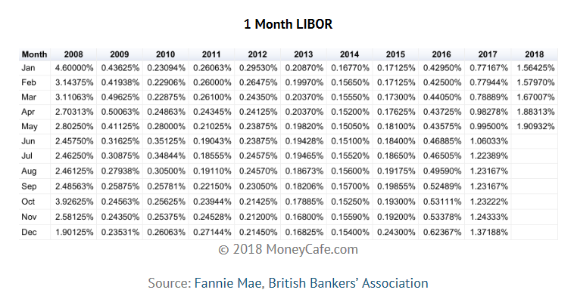
CMMPA
 |  |  |  | Annualized |  | Annualized
 |  |  | LIBOR Rate 1 | LIBOR Rate | FERC Rate | FERC Rate
1 | Jan-17 |  | 0.77% |  | 0.29%
2 | Feb-17 |  | 0.78% |  | 0.29%
3 | Mar-17 |  | 0.79% |  | 0.29%
4 | Apr-17 |  | 0.98% |  | 0.31%
5 | May-17 |  | 1.00% |  | 0.31%
6 | Jun-17 |  | 1.06% |  | 0.31%
7 | Jul-17 |  | 1.22% |  | 0.33%
8 | Aug-17 |  | 1.23% |  | 0.33%
9 | Sep-17 |  | 1.23% |  | 0.33%
10 | Oct-17 |  | 1.23% |  | 0.35%
11 | Nov-17 |  | 1.24% |  | 0.35%
12 | Dec-17 |  | 1.37% |  | 0.35%
13 | Jan-18 |  | 1.56% |  | 0.35%
14 | Feb-18 |  | 1.58% |  | 0.35%
15 | Mar-18 |  | 1.67% |  | 0.35%
16 | Apr-18 |  | 1.88% |  | 0.37%
17 | May-18 |  | 1.91% |  | 0.37%
18 | Jun-18 |  | 1.91% |  | 0.37%
19 | Jul-18 |  | 1.91% |  | 0.37%
 |  |  |  |  |  |  | https://www.moneycafe.com/personal-finance/1-month-libor/
 |  |  | 1.3336% | 4.0232% | 0.3353% | 4.0232% | .2921 Monthly Rate

 | 1 LIBOR rate is capped at the applicable FERC refund interest rate

https://www.ferc.gov/enforcement/acct-matts/interest-rates.asp

